PovertyReport
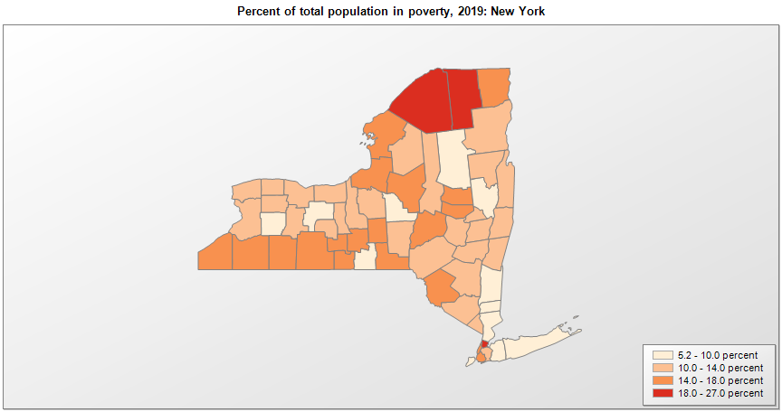
 | Percent | Number
 |  |  |  | All people in poverty (2019) |  |  | Children ages 0-17 in poverty (2019)
 |  |  |  |  | 90% confidence interval of estimate |  |  | 90% confidence interval of estimate
FIPS* |  | Name | RUC Code | Percent | Lower Bound | Upper Bound | Percent | Lower Bound | Upper Bound
36000 |  | New York |  | 13.1 | 12.9 | 13.3 | 18.2 | 17.7 | 18.7
36001 |  | Albany | 2 | 11.7 | 10.2 | 13.2 | 16 | 13.1 | 18.9
36003 |  | Allegany | 7 | 17.9 | 15 | 20.8 | 26.8 | 21.2 | 32.4
36005 |  | Bronx | 1 | 26.2 | 24.9 | 27.5 | 36.5 | 33.8 | 39.2
36007 |  | Broome | 2 | 17.8 | 15.8 | 19.8 | 24.9 | 20.7 | 29.1
36009 |  | Cattaraugus | 4 | 14.7 | 12.5 | 16.9 | 21.5 | 16.5 | 26.5
36011 |  | Cayuga | 4 | 13.8 | 11.7 | 15.9 | 20.5 | 16 | 25
36013 |  | Chautauqua | 4 | 16.3 | 13.8 | 18.8 | 24.4 | 18.7 | 30.1
36015 |  | Chemung | 3 | 14.1 | 11.7 | 16.5 | 20.3 | 14.9 | 25.7
36017 |  | Chenango | 6 | 13.7 | 11.1 | 16.3 | 20.1 | 14.8 | 25.4
36019 |  | Clinton | 5 | 14.8 | 12.3 | 17.3 | 16.8 | 12.4 | 21.2
36021 |  | Columbia | 6 | 10.1 | 7.9 | 12.3 | 15.4 | 10.9 | 19.9
36023 |  | Cortland | 4 | 17.3 | 14.5 | 20.1 | 19.3 | 14 | 24.6
36025 |  | Delaware | 6 | 12.6 | 9.8 | 15.4 | 19.1 | 12.9 | 25.3
36027 |  | Dutchess | 1 | 8.6 | 7.3 | 9.9 | 9.8 | 7 | 12.6
36029 |  | Erie | 1 | 13.3 | 12.2 | 14.4 | 19.3 | 16.9 | 21.7
36031 |  | Essex | 6 | 12.4 | 10.1 | 14.7 | 17.1 | 12.4 | 21.8
36033 |  | Franklin | 7 | 18.1 | 15.2 | 21 | 25.1 | 19.4 | 30.8
36035 |  | Fulton | 4 | 16.4 | 14 | 18.8 | 26.4 | 21.2 | 31.6
36037 |  | Genesee | 4 | 10.5 | 8.7 | 12.3 | 13.6 | 10 | 17.2
36039 |  | Greene | 6 | 12.6 | 9.8 | 15.4 | 18.5 | 13 | 24
36041 |  | Hamilton | 8 | 9.8 | 7.4 | 12.2 | 17.7 | 12.2 | 23.2
36043 |  | Herkimer | 2 | 13.7 | 11.2 | 16.2 | 19 | 13.9 | 24.1
36045 |  | Jefferson | 3 | 14.6 | 12.7 | 16.5 | 20.6 | 16.8 | 24.4
36047 |  | Kings | 1 | 17.7 | 16.8 | 18.6 | 24.7 | 22.4 | 27
36049 |  | Lewis | 6 | 12.4 | 9.9 | 14.9 | 18.6 | 13.4 | 23.8
36051 |  | Livingston | 1 | 13.8 | 12 | 15.6 | 16.4 | 12.9 | 19.9
36053 |  | Madison | 2 | 9.8 | 7.6 | 12 | 13.2 | 9.1 | 17.3
36055 |  | Monroe | 1 | 12.7 | 11.7 | 13.7 | 18.9 | 16.5 | 21.3
36057 |  | Montgomery | 4 | 15.9 | 13.1 | 18.7 | 25.5 | 19 | 32
36059 |  | Nassau | 1 | 5.6 | 4.9 | 6.3 | 6.5 | 5.3 | 7.7
36061 |  | New York | 1 | 14.1 | 13.1 | 15.1 | 17.3 | 13.9 | 20.7
36063 |  | Niagara | 1 | 12.4 | 10.7 | 14.1 | 16.9 | 13 | 20.8
36065 |  | Oneida | 2 | 14.6 | 12.6 | 16.6 | 19.3 | 14.8 | 23.8
36067 |  | Onondaga | 2 | 13.8 | 12.5 | 15.1 | 18.7 | 15.9 | 21.5
36069 |  | Ontario | 1 | 8.1 | 6.7 | 9.5 | 10.4 | 7.2 | 13.6
36071 |  | Orange | 1 | 12.3 | 10.8 | 13.8 | 18 | 14.7 | 21.3
36073 |  | Orleans | 1 | 13.2 | 10.5 | 15.9 | 19.2 | 13.2 | 25.2
36075 |  | Oswego | 2 | 15.6 | 13.4 | 17.8 | 25 | 20.7 | 29.3
36077 |  | Otsego | 7 | 16.2 | 13.4 | 19 | 18.6 | 13.7 | 23.5
36079 |  | Putnam | 1 | 5.2 | 4 | 6.4 | 5.6 | 3.7 | 7.5
36081 |  | Queens | 1 | 11 | 10 | 12 | 14.4 | 11.7 | 17.1
36083 |  | Rensselaer | 2 | 11.5 | 9.9 | 13.1 | 15.1 | 11.5 | 18.7
36085 |  | Richmond | 1 | 9.1 | 7.5 | 10.7 | 13.9 | 10.7 | 17.1
36087 |  | Rockland | 1 | 12.5 | 11 | 14 | 21.6 | 18.6 | 24.6
36089 |  | St. Lawrence | 4 | 18.9 | 16.6 | 21.2 | 27.1 | 22.8 | 31.4
36091 |  | Saratoga | 2 | 6 | 4.8 | 7.2 | 7.2 | 5 | 9.4
36093 |  | Schenectady | 2 | 12.1 | 10.2 | 14 | 19.6 | 15.9 | 23.3
36095 |  | Schoharie | 2 | 12.1 | 9.5 | 14.7 | 16.6 | 11.7 | 21.5
36097 |  | Schuyler | 6 | 15.7 | 13.2 | 18.2 | 22.3 | 16.6 | 28
36099 |  | Seneca | 6 | 13.7 | 11.4 | 16 | 19.4 | 13.9 | 24.9
36101 |  | Steuben | 4 | 15 | 13.1 | 16.9 | 21.8 | 17.3 | 26.3
36103 |  | Suffolk | 1 | 6.8 | 5.9 | 7.7 | 9.3 | 7.6 | 11
36105 |  | Sullivan | 4 | 16.1 | 13.3 | 18.9 | 26.2 | 20 | 32.4
36107 |  | Tioga | 2 | 9.4 | 7.5 | 11.3 | 13.8 | 9.8 | 17.8
36109 |  | Tompkins | 3 | 16.9 | 14.4 | 19.4 | 14.3 | 10.1 | 18.5
36111 |  | Ulster | 3 | 12 | 10.2 | 13.8 | 16.1 | 12.5 | 19.7
36113 |  | Warren | 3 | 10.1 | 8.1 | 12.1 | 15 | 10.4 | 19.6
36115 |  | Washington | 3 | 11.9 | 9.4 | 14.4 | 17.2 | 12.5 | 21.9
36117 |  | Wayne | 1 | 11.4 | 9.6 | 13.2 | 15.8 | 11.7 | 19.9
36119 |  | Westchester | 1 | 8.4 | 7.3 | 9.5 | 10.1 | 8 | 12.2
36121 |  | Wyoming | 6 | 9.9 | 7.8 | 12 | 12.6 | 8.6 | 16.6
36123 |  | Yates | 1 | 13.9 | 10.9 | 16.9 | 26.2 | 19.1 | 33.3

See the county-level poverty rates from the 1990 and 2000 Census of Population. See important notes about intercensal model-based poverty estimates. The 2013 rural-urban continuum codes classify metropolitan counties (codes 1 through 3) by size of the Metropolitan Statistical Area (MSA), and nonmetropolitan counties (codes 4 through 9) by degree of urbanization and proximity to metro areas. See rural-urban continuum codes for precise definitions of each code. Source: Census Bureau, Small Area Income and Poverty Estimates.

*See the Census Bureau web site for a description of FIPS codes.

